MCF
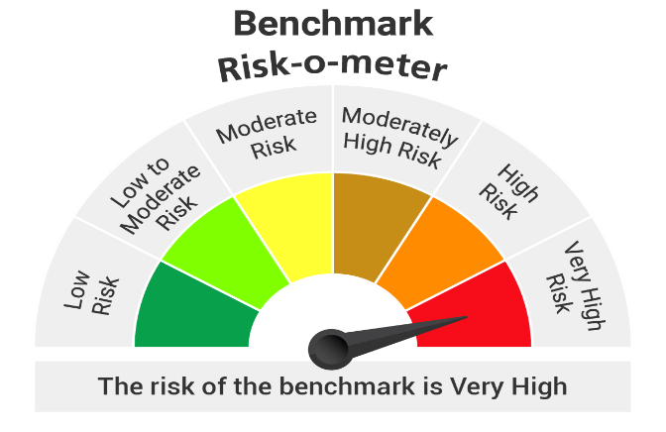
 |  | Portfolio of Kotak Nifty Midcap 50 Index Fund as on 28-Feb-2026
Name of Instrument |  |  | ISIN Code | Industry | Yield | Quantity | Market Value (Rs.in Lacs) | % to Net Assets
Equity & Equity related
 | Listed/Awaiting listing on Stock Exchange
 |  | BSE LTD | INE118H01025 | Capital Markets |  | 13487 | 365.11 | 5.42
 |  | Hero MotoCorp Ltd. | INE158A01026 | Automobiles |  | 4283 | 244.56 | 3.63
 |  | FEDERAL BANK LTD. | INE171A01029 | Banks |  | 81203 | 243.49 | 3.61
 |  | Cummins India Ltd. | INE298A01020 | Industrial Products |  | 4460 | 218.46 | 3.24
 |  | INDUSIND BANK LTD. | INE095A01012 | Banks |  | 21736 | 207.96 | 3.09
 |  | Ashok Leyland Ltd. | INE208A01029 | Agricultural, Commercial and Constr |  | 94441 | 199.36 | 2.96
 |  | Indus Towers Ltd. | INE121J01017 | Telecom - Services |  | 42719 | 194.35 | 2.88
 |  | Lupin Ltd. | INE326A01037 | Pharmaceuticals and Biotechnology |  | 8001 | 184.18 | 2.73
 |  | HDFC ASSET MANAGEMENT COMPANY LTD. | INE127D01025 | Capital Markets |  | 6717 | 181.26 | 2.69
 |  | AU SMALL FINANCE BANK LTD. | INE949L01017 | Banks |  | 18627 | 178.51 | 2.65
 |  | Suzlon Energy Ltd. | INE040H01021 | Electrical Equipment |  | 400511 | 170.90 | 2.54
 |  | Persistent Systems Limited | INE262H01021 | IT - Software |  | 3591 | 169.96 | 2.52
 |  | BHARAT FORGE LTD. | INE465A01025 | Auto Components |  | 8800 | 168.19 | 2.50
 |  | PB Fintech Ltd. | INE417T01026 | Financial Technology (Fintech) |  | 11254 | 166.74 | 2.47
 |  | Fortis Healthcare India Ltd | INE061F01013 | Healthcare Services |  | 17200 | 162.14 | 2.41
 |  | IDFC FIRST BANK LIMITED | INE092T01019 | Banks |  | 218457 | 160.52 | 2.38
 |  | Max Financial Services Ltd | INE180A01020 | Insurance |  | 8701 | 157.78 | 2.34
 |  | polycab India Limited | INE455K01017 | Industrial Products |  | 1737 | 149.56 | 2.22
 |  | One 97 Communications Ltd | INE982J01020 | Financial Technology (Fintech) |  | 13399 | 147.16 | 2.18
 |  | Dixon Technologies India Ltd | INE935N01020 | Consumer Durables |  | 1357 | 142.86 | 2.12
 |  | HINDUSTAN PETROLEUM CORPORATION LTD. | INE094A01015 | Petroleum Products |  | 31698 | 139.07 | 2.06
 |  | MARICO LTD. | INE196A01026 | Agricultural Food and other Product |  | 17446 | 137.59 | 2.04
 |  | APL Apollo Tubes Ltd | INE702C01027 | Industrial Products |  | 5999 | 134.05 | 1.99
 |  | Coforge Limited | INE591G01025 | IT - Software |  | 11050 | 131.03 | 1.94
 |  | Bharat Heavy Electricals Ltd. | INE257A01026 | Electrical Equipment |  | 48180 | 127.65 | 1.89
 |  | SRF LTD. | INE647A01010 | Chemicals and Petrochemicals |  | 4792 | 122.78 | 1.82
 |  | YES Bank Ltd. | INE528G01035 | Banks |  | 579488 | 120.07 | 1.78
 |  | MUTHOOT FINANCE LTD. | INE414G01012 | Finance |  | 3539 | 118.68 | 1.76
 |  | GMR AIRPORTS LIMITED | INE776C01039 | Transport Infrastructure |  | 117772 | 118.51 | 1.76
 |  | UPL Ltd | INE628A01036 | Fertilizers and Agrochemicals |  | 18488 | 117.84 | 1.75
 |  | Aurobindo Pharma Ltd. | INE406A01037 | Pharmaceuticals and Biotechnology |  | 9231 | 112.66 | 1.67
 |  | PHOENIX MILLS LTD. | INE211B01039 | Realty |  | 6158 | 102.14 | 1.52
 |  | Dabur India Ltd. | INE016A01026 | Personal Products |  | 19443 | 100.81 | 1.50
 |  | Colgate- Palmolive (India) Ltd. | INE259A01022 | Personal Products |  | 4346 | 97.98 | 1.45
 |  | Tube Investments Of India Ltd. | INE974X01010 | Auto Components |  | 3524 | 97.03 | 1.44
 |  | NMDC Ltd. | INE584A01023 | Minerals and Mining |  | 114081 | 93.25 | 1.38
 |  | Oil India Limited | INE274J01014 | Oil |  | 18002 | 87.11 | 1.29
 |  | Mphasis Ltd | INE356A01018 | IT - Software |  | 3764 | 86.44 | 1.28
 |  | GODREJ PROPERTIES LIMITED | INE484J01027 | Realty |  | 4923 | 85.22 | 1.26
 |  | Supreme Industries Limited | INE195A01028 | Industrial Products |  | 2128 | 84.59 | 1.26
 |  | MANKIND PHARMA LTD | INE634S01028 | Pharmaceuticals and Biotechnology |  | 3733 | 83.90 | 1.25
 |  | P I Industries Ltd | INE603J01030 | Fertilizers and Agrochemicals |  | 2674 | 83.36 | 1.24
 |  | NHPC Ltd. | INE848E01016 | Power |  | 104426 | 78.66 | 1.17
 |  | Prestige Estates Projects Limited | INE811K01011 | Realty |  | 5567 | 77.55 | 1.15
 |  | SBI CARDS & PAYMENT SERVICES PVT. LTD. | INE018E01016 | Finance |  | 9893 | 76.61 | 1.14
 |  | Jubilant Foodworks Limited | INE797F01020 | Leisure Services |  | 12918 | 67.16 | 1.00
 |  | Page Industries Ltd | INE761H01022 | Textiles and Apparels |  | 208 | 66.79 | 0.99
 |  | Oberoi Realty Limited | INE093I01010 | Realty |  | 3885 | 59.16 | 0.88
 |  | Indian Railway Catering And Tourism Corporation Lt | INE335Y01020 | Leisure Services |  | 9956 | 56.70 | 0.84
 |  | Oracle Financial Services Software Ltd | INE881D01027 | IT - Software |  | 785 | 54.42 | 0.81
 |  |  |  | Total |  |  | 6,731.86 | 99.89

 |  | Triparty Repo |  |  | 4.93 |  | 20.00 | 0.30

Net Current Assets/(Liabilities) |  |  |  |  |  |  | -13.40 | -0.19

 |  |  |  | Grand Total |  |  | 6,738.46 | 100.00

Notes :
1 | Face Value per unit: Rs. : 10

2 | Portfolio Turnover Ratio : 74.66%

3 | For NAV and IDCW refer NAV & IDCW details at the end of Monthly Portfolio

 |  | Nav Details :-
 |  | SCHEME | NAV From 31/01/2026 | NAV To 28/02/2026
 |  | Kotak Nifty Midcap 50 Index Fund Growth | 10.166 | 10.213
 |  | Kotak Nifty Midcap 50 Index Fund IDCW | 10.166 | 10.213
 |  | Kotak Nifty Midcap 50 Index Fund-Direct Growth | 10.257 | 10.310
 |  | Kotak Nifty Midcap 50 Index Fund-Direct IDCW | 10.257 | 10.310

4 | SO: Structured Obligations FRB: Floating Rate Bond CP: Commercial Paper CE: Credit Enhancement,CD: Certificate of Deposit TB: Treasury Bills/Cash Management Bills ZCB: Zero Coupon Bonds IDCW: Income Distribution Capital Withdrawl Plan

Scheme
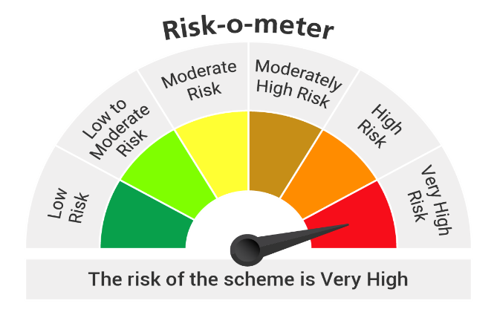

Benchmark - Nifty Midcap 50 Index (Total Return Index (TRI))

